Tables
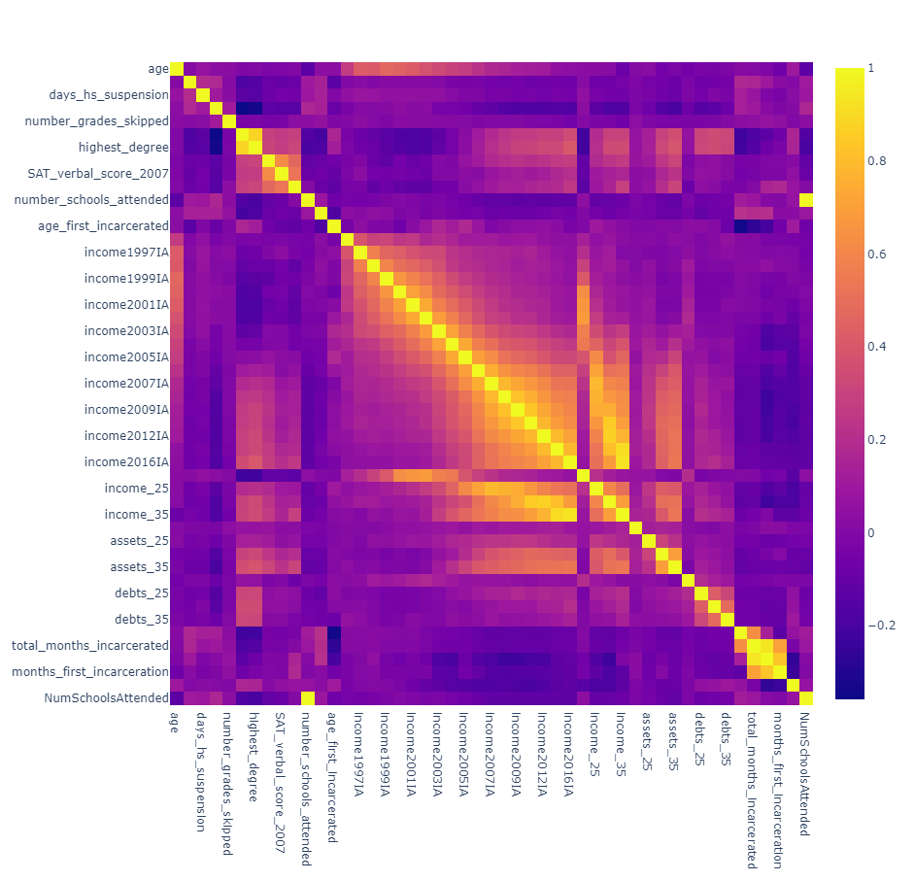
Table 1: EDA
Age | N | Nmissing | % Missing | Mean | S.D.
20 | 4679 | 4305 | 47.918521817 | $15,261.92 | $12,288.36
25 | 5316 | 3668 | 40.828138914 | $31,787.75 | $21,897.11
30 | 5288 | 3756 | 41.807658059 | $40,245.50 | $30,828.44
35 | 1943 | 7041 | 78.372662511 | $49,853.64 | $43,162.58

Compared to White
Age | Black | Hispanic | Mixed
20 | $(2,261.80) | $764.90 | $(462.70)
25 | $(9,088.00) | $(4,520.00) | $(1,394.00)
30 | $(13,212.80) | $(8,518.80) | $(640.40)
35 | $(18,995.00) | $(13,509.00) | $(24,246.00)

Mean Change in Income from 20 to 30
Immigrant | $27,237.05 | p-value = 0.9646 | right-skewed
Non-immigrant | $27,314.92

HS_grad is associated with ever smoke and ever arrested

High School Graduation Rates by Immigration Status
 | Non-graduate | Graduate
Non-immigrant | 22.00% | 78.00%
Immigrant | 24.81% | 75.19%

High School Graduation Rates by Victim of Violent Crime
 | Non-graduate | Graduate
Non-victim | 19.60% | 80.40%
Victim | 26.82% | 73.18%

 |  |  |  |  |  | file:///C:/Users/miqui/OneDrive/CSU%20Classes/Consulting/NLS/test.html

SEM
Table 3: Structural equation models
 | ALL |  |  | Females |  | Males
VARIABLE | Standardized Estimate | p-value | Odds Ratio | Estimate | p-value | Estimate | p-value
College Degree ~
DEMOGRAPHICS | -0.016 | 0.136 | 0.993
female | 0.111 | <0.001 | 1.104
age | -0.005 | 0.602 | 0.998

Incarcerated ~
EDUCATION | -0.186 | <0.001 | 0.946
DEMOGRAPHICS | -0.036 | <0.001 | 0.989
female | -0.169 | <0.001 | 0.903
age | 0.008 | 0.429 | 1.002

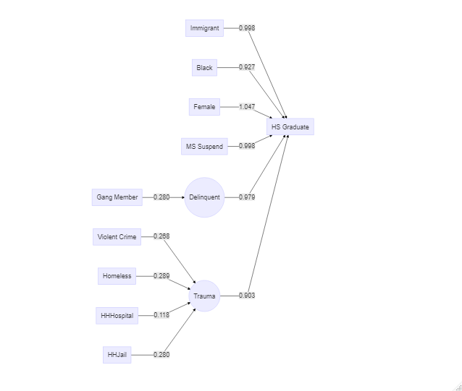
IncomeChange2030~
immigrant | 0 | 1 | 1 |  | Immigrant not a significant predictor of one's change in income from 20 to 30 years old
female | -0.093 | <0.001 | 0
white | 0.142 | <0.001 | inf
hs_grad | 0.19 | <0.001 | inf

High School Graduate ~
immigrant | -0.037 | <0.001 | 0.954 | -0.033 | 0.025 | -0.04 | 0.005
days_ms_suspension | -0.176 | <0.001 | 0.997 | -0.19 | <0.001 | -0.179 | <0.001
black | -0.077 | <0.001 | 0.93 | -0.027 | 0.079 | -0.116 | <0.001

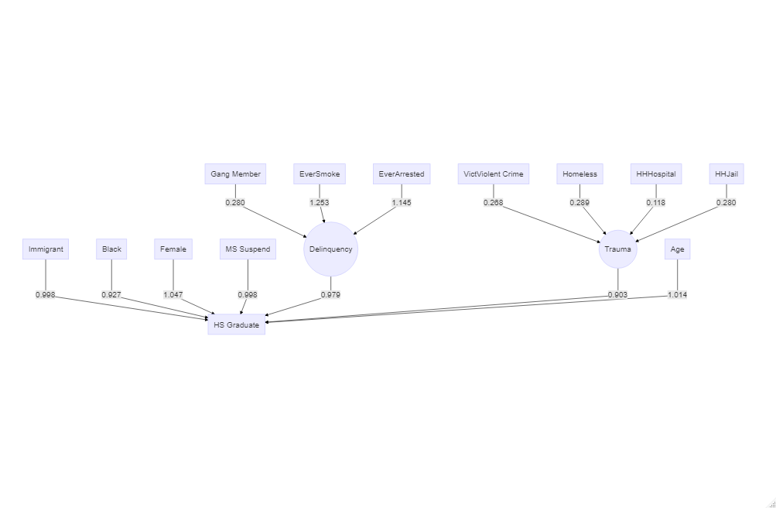
High School Graduate ~
TRAUMA | -0.255 | <0.001 | 0.903
DELINQUENCY | -0.054 | <0.001 | 0.979
immigrant | -0.033 | 0.003 | 0.998
days_ms_suspension | -0.159 | <0.001 | 0.998
black | -0.084 | <0.001 | 0.927
female | 0.057 | <0.001 | 1.047

High School Graduate ~
TRAUMA | -0.171 | <0.001 | 0.934
EDUTROUBLE | -0.243 | <0.001 | 0.908
immigrant | -0.033 | 0.002 | 0.96
black | -0.083 | <0.001 | 0.927
female | 0.054 | <0.001 | 1.044
ever_in_gang | -0.084 | <0.001 | 0.888

High School Graduate ~
TRAUMA | -0.134 | <0.001 | 0.948
DELINQUENCY | -0.262 | <0.001 | 0.901
immigrant | -0.042 | <0.001 | 0.949
days_ms_suspension | -0.126 | <0.001 | 0.998
black | -0.099 | <0.001 | 0.915
female | 0.048 | <0.001 | 1.04
age | 0.048 | <0.001 | 1.014

Green is better than Red (p-value <0.001)

Logistic Regression
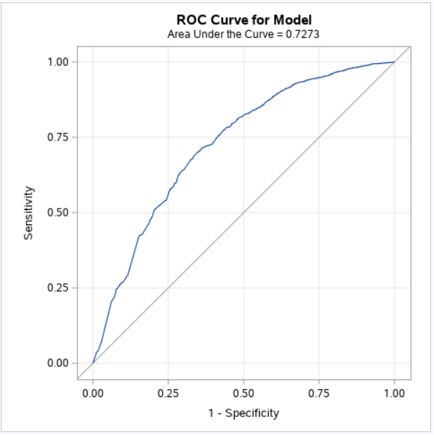
Table 4: Logistic Regression Models
 | ALL |  | Females |  | Males
High School Graduate ~ | Odds Ratio | p-value | Odds Ratio | p-value | Odds Ratio | p-value
(intercept) |  | <0.001 |  | <0.001 |  | <0.001
immigrant | 0.7264 | <0.001 | 0.7252 | 0.008 | 0.7238 | 0.003
days_ms_suspension | 0.9714 | <0.001 | 0.9528 | <0.001 | 0.9779 | <0.001
black | 0.6866 | <0.001 | 0.8504 | 0.096 | 0.5806 | <0.001
NumSchoolsAttended | 0.7648 | <0.001 | 0.788 | <0.001 | 0.7528 | <0.001

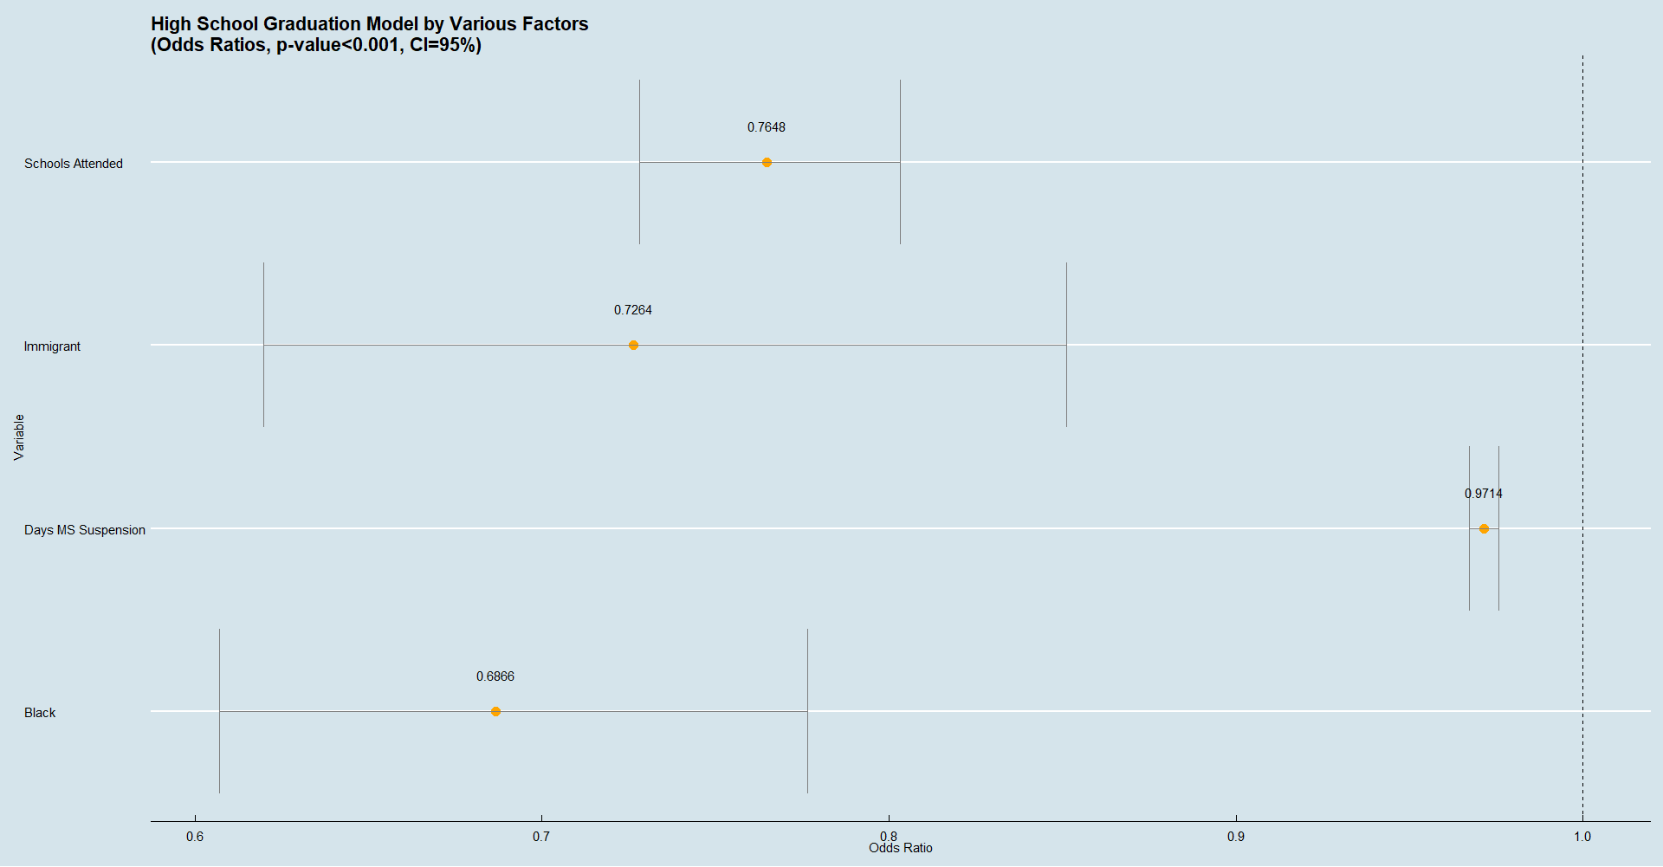
High School Graduate ~ | p-value <0.001 |  | R-square 6.89%
(intercept) |  | <0.001 | AUC 0.6878
immigrant | 0.7526 | 0.002
days_ms_suspension | 0.9652 | <0.001
black | 0.7125 | <0.001
NumSchoolsAttended | 0.767 | <0.001
female | 1.3282 | <0.001

High School Graduate ~ | p-value <0.001 |  | R-square - 9.63%
(intercept) |  | <0.001 | AUC 0.7273
immigrant | 0.7543 | 0.002
days_ms_suspension | 0.9771 | <0.001
black | 0.6271 | <0.001
NumSchoolsAttended | 0.7221 | <0.001
female | 1.3283 | <0.001
VictViolentCrime | 0.9833 | 0.89
Homeless | 0.2974 | <0.001
HHHospital | 0.9334 | 0.399
HHJail | 0.5637 | <0.001
ever_in_gang | 0.4803 | <0.001

RandomForest
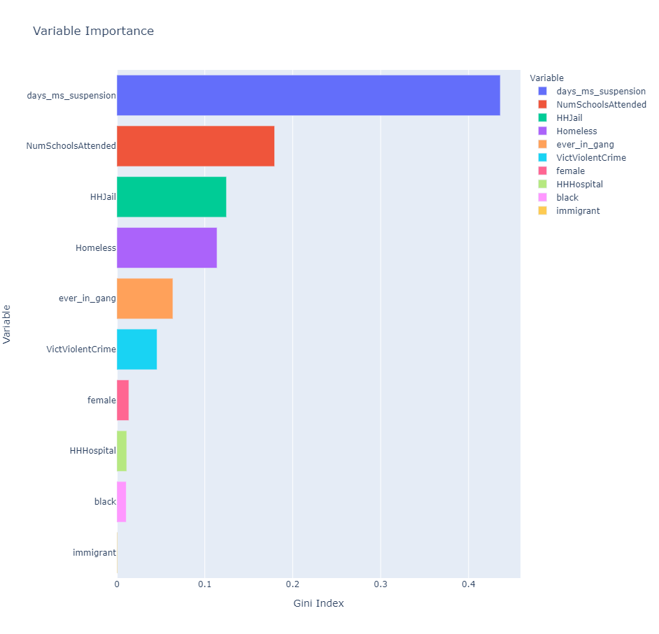
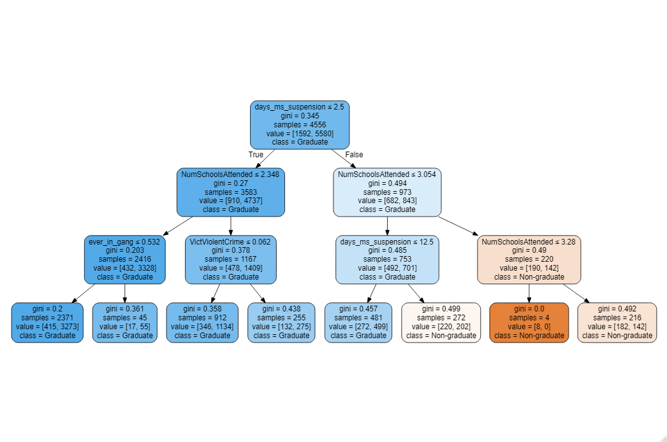
What is GINI Impurity:
How often will a randomly chosen element from the set be incorrectly labelled?
$$G=\sum_{c=1}^{C}{{\hat{π}}_{mc}(1−{\hat{π}}_{mc})}$$
Where ${\hat{π}}_{mc}$ is the frequency of label i at a node and C is the number of unique labels.
https://scikit-learn.org/stable/modules/tree.html#tree
Table 5: Random Forest Results
 | Gini Impurity |  | Predicted
High School Graduate ~ |  | Actual | Graduate | Non-Grad
days_ms_suspension | 0.43608 | Graduate | 1376 | 15
NumSchoolsAttended | 0.17945 | Non-Grad | 373 | 30
HHJail | 0.1247
Homeless | 0.11394
ever_in_gang | 0.06373
VictViolentCrime | 0.04578 | First-generation immigrants?
female | 0.01366
HHHospital | 0.01121
black | 0.0107
immigrant | 0.00075

Recommendations
Recommendations from Dr. Mallett and Dr. Quinn:
+1 missed days in middle school = 10% increase in not graduating high school
Force immigrant at top node
Write up a report about a model you like:
Due November 17th, 2020

